Summery
 | 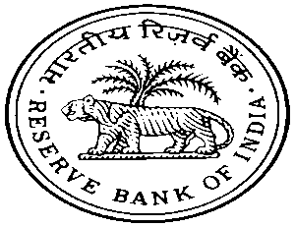

FOREIGN EXCHANGE DEPARTMENT
OVERSEAS INVESTMENT DIVISION
CENTRAL OFFICE

Summary of Outward Foreign Direct Investment (OFDI) based on Reporting
date - Comparative Position – April 2017

(amount* in USD million)
Month | Equity | Loan | Guarantee Issued | Total Financial Commitment

 | 1 | 2 | 3 | 1+2+3
2017-03-01 | 1,993.30 | 742.60 | 251.40 | 2,987.30
2017-04-01 | 1,429.22 | 1,014.28 | 709.68 | 3,153.18

Month | Equity | Loan | Guarantee Issued | Total Financial Commitment

 | 1 | 2 | 3 | 1+2+3
2016-04-01 | 2,147.08 | 342.18 | 3,118.82 | 5,608.08
2017-04-01 | 1,429.22 | 1,014.28 | 709.68 | 3,153.18
* the data published is provisional and subject to change based on online reporting by AD banks’.

